records
Sample Measurement Record
Mano Engineering LLC |  |  |  |  |  |  |  | Part No. SCBS5-10
No. | A | B | C | D | E | L | (a)
1 | 8.35 | 4.01 | 8.42 | 9.83 | 4.98 | 0.05
2 | 8.34 | 4.04 | 8.4 | 9.81 | 4.96 | 9.93
3 | 8.34 | 4.04 | 8.35 | 9.81 | 5.01 | 10.05
4 | 8.33 | 4.04 | 8.44 | 9.81 | 5.01 | 10.03
5 | 8.34 | 4.02 | 8.36 | 9.84 | 5.01 | 9.85

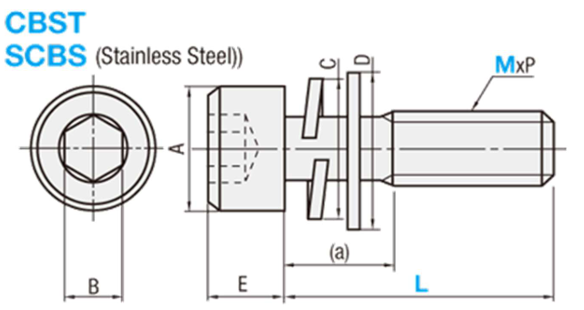
Note: "(a)" is measured roughly

